Project

Project Information
So Called Engineers (SCE)

Team members | TE Carter
 | SJ Du Plessis
 | CF Greyling

System Breakdown

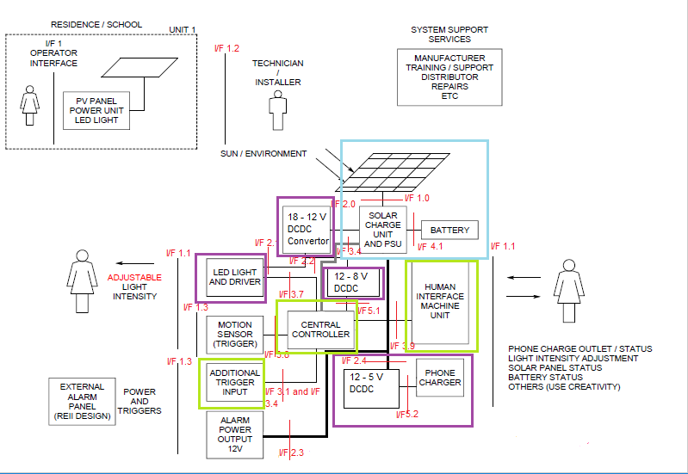
 |  |  |  |  |  | On the left the Upper level system operational archetecture is drawn
 |  |  |  |  |  |  | Is the Inteface for each element
 |  |  |  |  |  |  | TE Carter work
 |  |  |  |  |  |  | SJ du Plessis work
 |  |  |  |  |  |  | CF Greyling work

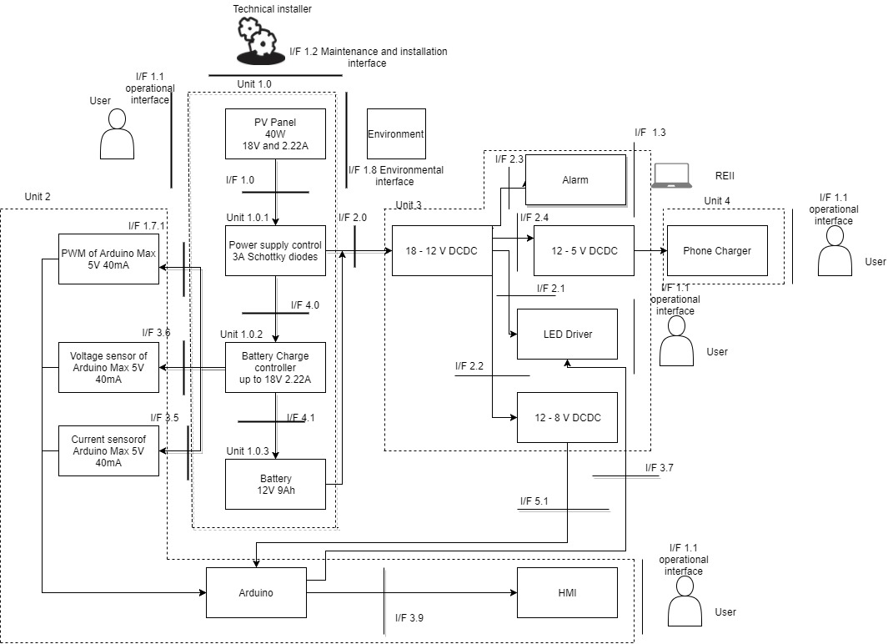

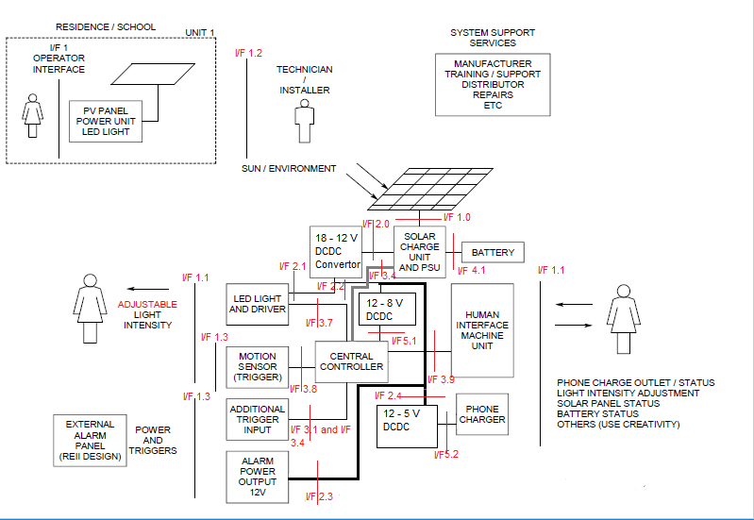
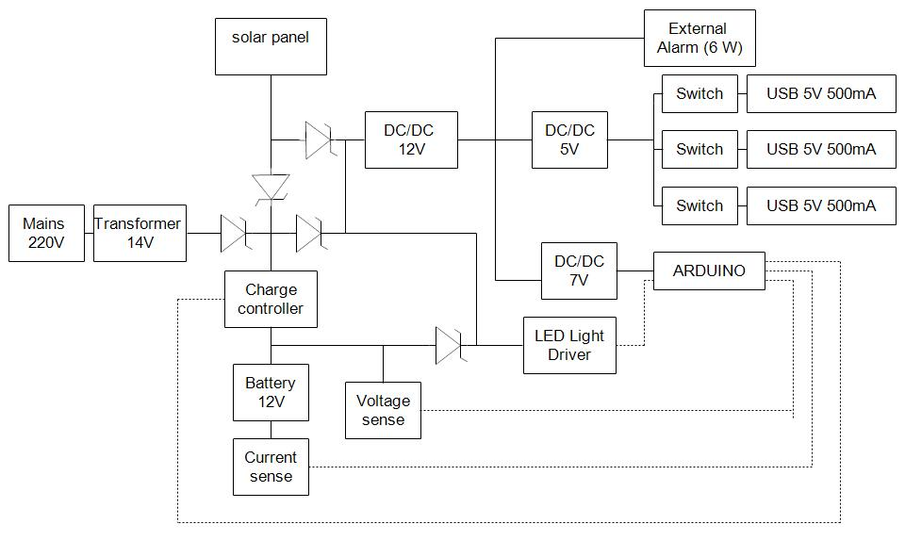

 |  |  |  |  |  | This is then shown with only the interfaces |  | Block diagram of the whole circuit | From this the system is then broken up into units

TE Carter

Work Breakdown and Allocation

Member | Function responsible for | Additional Tasks
TE Carter | DCDC Convertor 1 I/F 2.0 Unit 3 | Functional analysis diagram
 | DCDC Convertor 2 I/F 2.2 Unit 3 | Research for I/F responsible for
 | DCDC Convertor 3 I/F 2.4 Unit 3 | List and price components needed for I/F responsible for
 | Phone Charger I/F 5.2 Unit 5 | Begin working on ELO 5 and portfolio
 | LED Light Driver I/F 3.7 Unit 3 | Compile the budget
 |  | Buy components
SJ Du Plessis | Arduino control and programming Unit 2 | Define all interfaces
 | Battery charging with PWM I/F 1.7.1, 3.6, 3.5 Unit 2 | Research for I/F responsible for
 | LED light control with PWM Unit 3.7 | List and price components needed for I/F responsible for
 | Additional Trigger I/F 3.4 and 3.1 Unit 2 | Work further on Functional Analysis
 | HMI control with LEDs I/F 3.9 Unit 2 | Begin working on ELO 5 and portfolio
 |  | Submit and compile all documents
CF Greyling | Solar Charge Unit and PSU I/F 1.0 Unit 1 | Functional architecture
 | Battery I/F 4.1 Unit 1 | Research for I/F responsible for
 | 220 V Mains Input (Optional) (no longer included) | Compile the power budget
 | Solar Panel I/F 1 Unit 1 | Begin working on ELO 5 and portfolio
 |  | List and price components needed for I/F responsible for

Project Schedule

Timeline
Date | Description | Timeline | notes
17-Jul-17 | Project initiation | 1
10-Aug-17 | Functional Analysis Test | 2
10-Aug-17 | Functional Analysis Complete 2 levels | 1
14-Aug-17 | Preliminary Design Complete | 3
28-Aug-17 | Work done as discussed in class in preperation for 30% demonstration | 2
31-Aug-17 | 30% Completion Milestone | 4
4-Sep-17 | Finalise who is working on which part of the circuit | 4
7-Sep-17 | Order Compenents and finalise wiring diagram | 4
28-Sep-17 | Start Assembling Circuit | 4
30-Sep-17 | 50% Completion Milestone | 4
27-Oct-17 | 80% Completion Milestone | 3
10-Nov-17 | 100% Completion Milestone | 4
16-Nov-17 | Demonstration | 3

Progress Tracking
Project Status
 | % Complete | Green | Amber | Red | Description
Week 1
Week 2
Week 3
Week 4
Week 5
Week 6 | 20% |  |  |  | Some confusion as to what has to be done for the 30% milestone
Week 7 | 30% demo
Week 8
Week 9
Week 10 | 50% demo |  |  |  | According to 50 % assesement we are at 88% of the 50 % therefore still green
Week 11 | Start building |  |  |  | There is still unclarity on the USB port and another group member has been put in charge of the USB port as well as the optocoupler
Week 12 |  |  |  |  | Only the LED has been built and tested there seems either to be a problem with the ciruit or the Arduino code.
Week 13 | 60% |  |  |  | The USB chips have not arrived yet and the correct diodes must be bought for the charger and the correct capacitors for the DCDC convertors
Week 14 |  |  |  |  | The charger and DCDC have been built but don't seem to work.
Week 15 |  |  |  |  | The lecturer has been consulted and it has been discovered that the DCDC chips and USB chips are falulty, these devicesa are now on track the charger also works it just does not want to switch.
Week 16 | 80% demo |  |  |  | All the documentation has been corrected and most part have been integrated the charger just does not want to switch and the lecturer will be consulted on this matter.
Week 17 | 100% demo |  |  |  | Finalising documentation and the charging circuit now works, just making the circuit more presentable,
Week 18 | Project finished |  |  |  | Project finalised and ready for the final demonstration

TE Carter
Member Information
Member name | TE Carter
Expertise | Documentation and Hardware

Unit Breakdown
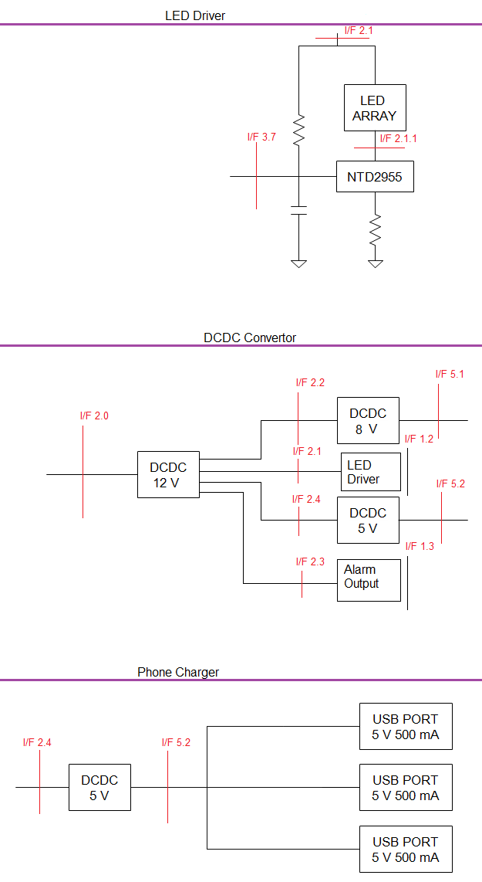

Member Work Breakdown

Function responsible for | Additional Tasks
DCDC Convertor 1 I/F 2.0 Unit 3 | Functional analysis diagram
DCDC Convertor 2 I/F 2.2 Unit 3 | Research for I/F responsible for
DCDC Convertor 3 I/F 2.4 Unit 3 | List and price components needed for I/F responsible for
Phone Charger I/F 5.2 Unit 5 | Begin working on ELO 5 and portfolio
LED Light Driver I/F 3.7 Unit 3 | Compile the budget
 | Buy components

Timeline
Date | Description | Timeline | notes
17-Jul-17 | Project initiation | 1
8-Aug-17 | Design Functional Analysis | 1
10-Aug-17 | Functional Analysis Test | 2
14-Aug-17 | Preliminary Design Complete | 4
28-Aug-17 | Work done as discussed in class in preperation for 30% demonstration | 4
31-Aug-17 | 20% Completion Milestone | 3
4-Sep-17 | Research and design wiring diagram for components | 2
6-Sep-17 | Finalise wiring daigram and make list of components | 1
7-Sep-17 | Order components | 3.5
8-Sep-17 | 30% Completion Milestone | 4.5
28-Sep-17 | Begin Assembling Components | 5
30-Sep-17 | 50% Completion Milestone | 4
27-Oct-17 | Ensure all subcircuits work and test and document | 5
30-Oct-17 | Start intergrating and testing the integrated circuitx | 5.5
30-Oct-17 | 80% Completion Milestone and documentation update | 3
10-Nov-17 | 100% Completion Milestone | 4
16-Nov-17 | Demonstration | 3

Progress Tracking
 |  | Individual progress Status
 | % of work allocated to member completed | Green | Amber | Red | Description
Week 1 | 100%
Week 2 | 100%
Week 3 | 100%
Week 4 | 100%
Week 5 | 100%
Week 6 | 100%
Week 7 | 100%
Week 8 | 100%
Week 9 | 100%
Week 10 | 50% demonstration |  |  |  | Fallen behind on documentation for 50% demo
Week 11 | Need to start building |  |  |  | Components have arrived behind on building
Week 12 |  |  |  |  | The LED has been built and tested with the signal generator and another persons code.
Week 13 |  |  |  |  | The LED has been soldered onto the veroboard and does not work with the arduino code
Week 14 |  |  |  |  | No other components have been built still waiting for USB chips and finding the correct capacitors for the DCDC.
Week 15 |  |  |  |  | The DCDC has been built but does not work, consulted with lecturer and found the chips were blown, the same is now true for the USB chips could be due to soldering them on. New DCDC chips have been used by classmates and USB ports have been bought because to reorder will take to long
Week 16 | 80% demo |  |  |  | All sub circuits work for this member the interface document has been updated but the lecturer will be asked if it is correct and the functional flow diagram will also be redone and the lecturer will be asked if the new one is correct.
Week 17 | 100% demo |  |  |  | Need to update all documentation and conduct tests on the whole system and record and document the information
Week 18 | Project ends |  |  |  | Ensure all documents are up to date

SJ Du Plessis
Member Information
Member name | SJ Du Plessis
Expertise | Software expertise including programming

Unit Breakdown

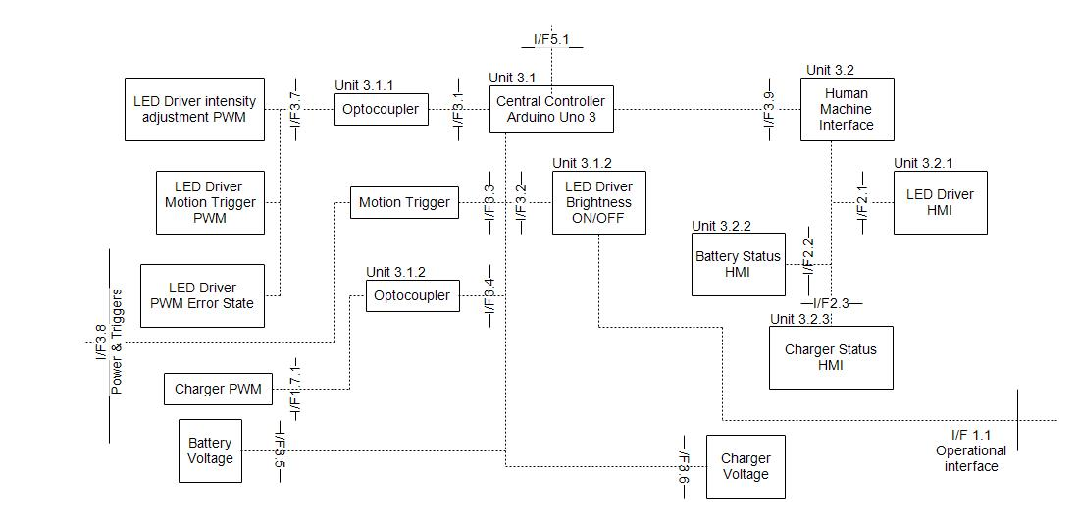

Member Work Breakdown

Function responsible for |  | Additional Tasks
Arduino control and programming Unit 2 |  | Spesification of Interfaces
Battery charging with PWM I/F 1.7.1, 3.6, 3.5 Unit 2 |  | RF Flow combined block diagram
LED light control with PWM Unit 3.7 |  | PV panel characterisation
Additional Trigger I/F 3.4 and 3.1 Unit 2 |  | Work further on Functional Analysis
HMI control with LEDs I/F 3.9 Unit 2 |  | Battery charging (PWM)
 |  | Begin working on ELO 5 and portfolio
 |  | Submit and compile all documents

Member Schedule

Timeline
Date | Description | Timeline | notes
17-Jul-17 | Project initiation | 1
10-Aug-17 | Functional Analysis Test | 2
12-Aug-17 | Spesification of Interfaces | 2
14-Aug-17 | Preliminary Design Complete | 1
28-Aug-17 | Work done as discussed in class in preperation for 30% demonstration | 2
31-Aug-17 | 30% Completion Milestone | 3
4-Sep-17 | PV panel characterised | 3
30-Sep-17 | 50% Completion Milestone | 4
27-Oct-17 | 80% Completion Milestone | 3
10-Nov-17 | 100% Completion Milestone | 4
16-Nov-17 | Demonstration | 3

Progress Tracking
 |  | Individual progress Status
 | % of work allocated to member completed | Green | Amber | Red | Description
Week 1 | 100%
Week 2 | 100%
Week 3 | 100%
Week 4 | 100%
Week 5 | 100%
Week 6 | 100%
Week 7 | 100%
Week 8 | 100%
Week 9 | 100%
Week 10 | 50% demonstration |  |  |  | Fallen behind on documentation for 50% demo
Week 11 | Need to start building |  |  |  | Components have arrived behind on building
Week 12 | 60% |  |  |  | Test week
Week 13 |  |  |  |  | Helped with LED layout and solderd to veroboard. Small amount of diming with Arduino. Arduino switching correctly on oscilliscope.
Week 14 |  |  |  |  | Still not sure what was wrong with the LED circuit. Characterized the Solar panel in the sun and compared results against datasheet
Week 15 |  |  |  |  | Coded on main program, still wanting on other cicruits to test them for functionality and to finalize the code. Focused on other subjects practicals and tests.
Week 16 | 80% demo |  |  |  | LED circuit fault found. LED current limited with to high resistance. Replaced 1k ohm resistor with two 1.2 ohm 5W resistors. Code dimes the LED. Helped with the DCDC convertors as well as the charge circuit. The charge circuits had an fault and the layout on the veroboard made it hard to connect loads. Redesign the layout and made the load connects easier.
Week 17 | 100% demo |  |  |  | Document the new designs and finalize the programming of the Charger and LED.
Week 18 | Project ends |  |  |  | Finalize final errors and final test on designs

CF Greyling
Member Information
Member name | CF Greyling
Expertise | Hardware, Documentation and Software such as Excel, RF Flow

Unit Breakdown
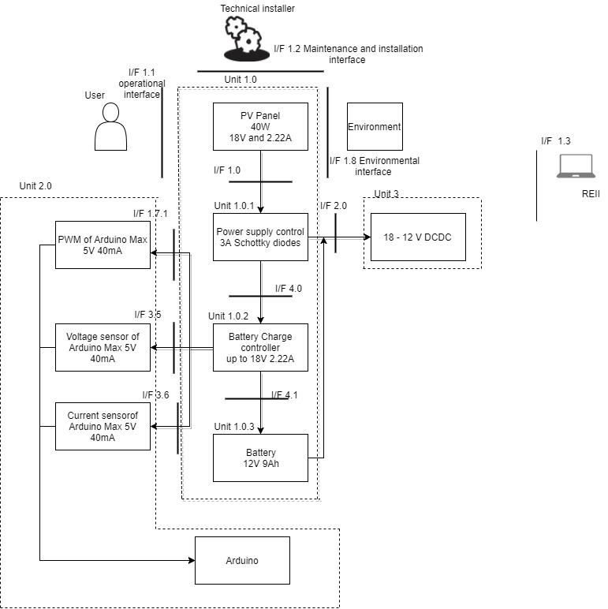

Member Work Breakdown
Function responsible for |  | Additional Tasks
Solar Charge Unit and PSU I/F 1.0 Unit 1 |  | Functional archetecture
Battery I/F 4.1 Unit 1 |  | Research for I/F responsible for
220 V Mains Input (Optional) (no longer included) |  | List and price components needed for I/F responsible for
Solar Panel I/F 1 Unit 1 |  | Compile the power budget
 |  | Work on ELO 5 and portfolio
 |  | Document team work
 |  | Document meetings
 |  | Document requirements
 |  | Simulations and Circuit diagrams of I/F responsible for

Timeline
Date | Description | Timeline | notes
17-Jul-17 | Project initiation | 1
10-Aug-17 | Functional Analysis Test | 2
14-Aug-17 | Preliminary Design Complete | 1
28-Aug-17 | Work done as discussed in class in preperation for 30% demonstration | 2
31-Aug-17 | 30% Completion Milestone | 3
30-Sep-17 | 50% Completion Milestone | 4
27-Oct-17 | 80% Completion Milestone | 3
10-Nov-17 | 100% Completion Milestone | 4
16-Nov-17 | Demonstration | 3

Progress Tracking
 |  | Individual progress Status
 | % of work allocated to member completed | Green | Amber | Red | Description
Week 1 | 100%
Week 2 | 100%
Week 3 | 100%
Week 4 | 100%
Week 5 | 100%
Week 6 | 100%
Week 7 | 100%
Week 8 | 100%
Week 9 | 100%
Week 10 | 50 % milestone |  |  |  | 93% on evaluation from lecturer
Week 11 | start building |  |  |  | components have arrived but behind on building schedule
Week 12 |  |  |  |  | redesign circuit without mains 220V power supply
Week 13 | 60% |  |  |  | Correct Scottky diodes must be bought for the power supply management
Week 14 |  |  |  |  | Learn how to solder. Built the charge controller circuit and the diode circuit. Ready for testing next week.
Week 15 |  |  |  |  | Discovered mistake in diode circuit, unsolder main componants from board, resolder correct circuit, use node checking. Diode circuit fixed and working, solar panel tested and working, battery tested and working. Test Arduino with charging switch.
Week 16 | 80% demo |  |  |  | Documentation on track. Diode is switching the circuit. Battery working. Solar Panel working. Charge controller functional but will not switch correctly. Ask Prof if the ground is where the mistake is. Therefore not all individual componants working and not on track for 80% milestone. Would rate work at 80% of the 80% milestone.
Week 17 | 100% demo |  |  |  | Test integerated system. Document the testing. Complete documentation.
Week 18 | Project ends |  |  |  | Ensure all documentation is complete

Minutes of Meetings
Minutes of Meetings

Meeting 1
Date | 8-Aug-17
Time | 14:00:00
Chairman | TE Carter
Attendance list | TE Carter
 | SJ Du Plessis
 | CF Greyling

Agenda
Progress Tracking | Progress on schedule
Issues / Risks and Mitigations | No risk identified |  |  | (Perform progress tracking on the tracking schedule as in each members' and the project's worksheet.)
Decisions | Functional Flow Diagram |  |  | (Use the Risks and Mitigations worksheet to identify, track and mitigate risks.)
 | Functional Architecture Design |  |  | (Document all decisions made by the team.)
 | Specification of interfaces |  |  | (List all actions to be taken to ensure progress and mitigate risks.)
Actions | Allocated work | TE Carter | Functional Flow Diagram
 |  | SJ Du Plessis | Specification of interfaces
 |  | CF Greyling | Functional Architecture Design

Meeting 2
Date | 21-Aug-17
Time | 13:00:00
Chairman | SJ Du Plessis
Attendance list | TE Carter
 | SJ Du Plessis
 | CF Greyling

Agenda
Progress Tracking | Progress on schedule
Issues / Risks and Mitigations | No risk identified
Decisions | Members work allocation
Actions | Allocated work | TE Carter | DC to DC converter
 |  |  | LED
 |  | SJ Du Plessis | ARDUINO
 |  |  | Programming
 |  | CF Greyling | Solar charge unit
 |  |  | Battery
 |  |  | USB charger

Meeting 3
Date | 24-Aug-17
Time | 14:30:00
Chairman | CF Greyling
Attendance list | TE Carter
 | SJ Du Plessis
 | CF Greyling

Agenda
Progress Tracking | 20% complete
Issues / Risks and Mitigations | Uncertainty of work due for 30% deadline
Decisions | Portfolio | ELO 5
 |  | ELO 8
Actions | Allocate individual and group work between members
 | Agree to ask for clarification (in Monday 28th class) of work due up for 30% milestone

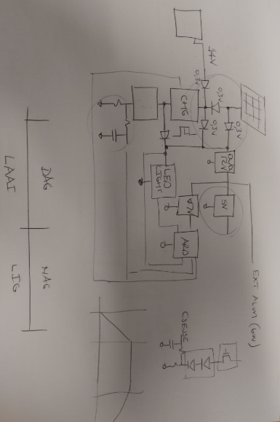
Meeting 4
Date | 28-Aug-17
Time | 11:30:00
Chairman | SJ Du Plessis
Attendance list | TE Carter
 | SJ Du Plessis
 | CF Greyling
Take note this meeting was held with Prof Holm in order to clear up some uncertainties about the circuit
Agenda
Progress Tracking | By 07-Sept-17 30% Complete
Issues / Risks and Mitigations | The solar panel connectors
 | The price of the solar panel connectors
Decisions | How the circuit will look this can be seen in the Figure in this meeting
Actions | Simulate and finalise the wiring diagram by 05-Sept-17
 | Create a list and order components by 07-Sept-17
 | The solar panel connectors is a MC4 connector

Meeting 5
Date | 4-Sep-17
Time | 8:00:00
Chairman | CF Greyling
Attendance list | TE Carter
 | SJ Du Plessis
 | CF Greyling

Agenda
Progress Tracking | 27%
Issues / Risks and Mitigations | The connectors on the solar panel
 | Other connector are expensive
 | Switch between power input components
 | 220 V AC input from mains connection to circuit
 | Solar charge unit circuit
 | Unsure about pricing of componants MPS
 | Arduino connection to charger
 | Arduino connection to LED light driver
Decisions | determine the price o fcomponants
Actions | Make contact with MPS about componant pricing

Meeting 6
Date | 11-Sep-17
Time | 8:00:00
Chairman | TE Carter
Attendance list | TE Carter
 | SJ Du Plessis
 | CF Greyling

Agenda
Progress Tracking | 30%
Issues / Risks and Mitigations | progress of project
Decisions | EMC of project
 | PCB Layout
 | Design for DC to DC converters
Actions | design for the DC to DC converter finalised
 | will use other way to lay out circuit than PCB

Meeting 7
Date | 18-Sep-17
Time | 8:00:00
Chairman | SJ Du Plessis
Attendance list | TE Carter
 | SJ Du Plessis
 | CF Greyling

Agenda
Progress Tracking | 40%
Issues / Risks and Mitigations | Risks | 50% deadline | Paperwork
 |  |  | Show of progress
 | Mitigation | informed on what is due fir 50%
Decisions |  | 50% deadline requirements
 |  | State base diagram
 | Charactirization
Actions | stock taken of progress
 | begin work for deadline

Meeting 8
Date | 23-Sep-17
Time | 8:00:00
Chairman | CF Greyling
Attendance list | TE Carter
 | SJ Du Plessis
 | CF Greyling

Agenda
Progress Tracking | 45%
Issues / Risks and Mitigations | 50% deadline may not be complete
Decisions | Work allocation for 50% deadline
 | decided that we will complete work up untill where we are giving an honest representation of work progress
 | Will work in vacation starting Tuesday 12 pm
Actions | Design module is set as priority

Meeting 9
Date | 9-Oct-17
Time | 8:00:00
Chairman | CF Greyling
Attendance list | TE Carter
 | SJ Du Plessis
 | CF Greyling

Agenda
Progress Tracking | 50%
Issues / Risks and Mitigations | DC to DC converter not finding the correct ceramic caps
Decisions | Continue building
 | Continue documenting
 | try to finish work before the exam
Actions | general 50% assesment

Meeting 10
Date | 16-Oct-17
Time | 8:00:00
Chairman | TE Carter
Attendance list | TE Carter
 | SJ Du Plessis
 | CF Greyling

Agenda
Progress Tracking | 60%
Issues / Risks and Mitigations | 50-60% assesment and feedback Monday 13:00 clash with LLAW class
Decisions | Testability
 | safety
 | try to finish work before the exam
Actions | mitigation of risk of assesment

Meeting 11
Date | 19-Oct-17
Time | 16:00:00
Chairman | SJ Du Plessis
Attendance list | TE Carter
 | SJ Du Plessis
 | CF Greyling

Agenda
Progress Tracking | 60%
Issues / Risks and Mitigations | Time for combined building limited
Decisions | safety
 | HIRA
 | formal lessons at an end
 | Monday resubmission for documentations
Actions | Discuss safety in the project
 | single point of failure

Meeting 12
Date | 26-Oct-17
Time | 10:00:00
Chairman | CF Greyling
Attendance list | TE Carter
 | SJ Du Plessis
 | CF Greyling

Agenda
Progress Tracking | 65%
Issues / Risks and Mitigations | DC to DC converter chips blown, new circuit designed
 | charge controller circuit not working must rebuild
 | USB chips not functioning
Decisions | new DC to DC conerter circuit designed
 | must resolder charge controller circuit
 | date set for 27th to continue building
 | new design of USB charger decided on
Actions | work on 27th
 | porfolio on design updates

Meeting 13
Date | 27-Oct-17
Time | 8:00:00
Chairman | TE Carter
Attendance list | TE Carter
 | SJ Du Plessis
 | CF Greyling

Agenda
Progress Tracking | 70%
Issues / Risks and Mitigations | 80% milestone on the way
 | Charger does not want to switch

Decisions | Work at home in the weekend
 | do more testing on the charge controller
 | assemble most of the componants in the control panel

Actions | do risk mitigation of the charge controller
 | update design portfolio and project management file

Meeting 14
Date | 9-Nov-17
Time | 12:30:00
Chairman | SJ Du Plessis
Attendance list | TE Carter
 | SJ Du Plessis
 | CF Greyling

Agenda
Progress Tracking | 90%
Issues / Risks and Mitigations | 100% demo on the way and final demo
 | The coding is not yet complete and a lot of documentation still needs to be done.

Decisions | Work on the portfolio 11-Nov-2017
 | Submit portfolio to demi on 13-Nov-2017
 | Improve portfolio 14-Nov to 16-Nov-2017
 | Do final tests on 11-Nov-2017

Actions | Do final documentation and testing 11-Nov-2017
 | Send portfolio to demi 13-Nov-2017
 | Correct and prepare portfolio for submission.

I-V & P-V characterization
 | 1000W/m^2 |  |  | 800W/m^2 |  |  | 600W/m^2 |  |  | 400W/m^2 |  |  | 200W/m^2
 | Voltage | Current | Power | Voltage | Current | Power | Voltage | Current | Power | Voltage | Current | Power | Voltage | Current | Power
SC | 0 | 3.06 | 0 | 0 | 2.595 | 0 | 0 | 2.13 | 0 | 0 | 1.665 | 0 | 0 | 1.2 | 0
Max | 18 | 2.2222222222 | 40 | 16 | 1.7572222222 | 28.115555556 | 14 | 1.2922222222 | 18.091111111 | 12 | 0.82722222222 | 9.9266666667 | 10 | 0.36222222222 | 3.6222222222
OC | 22.1 | 0 | 0 | 20.1 | 0 | 0 | 18.1 | 0 | 0 | 16.1 | 0 | 0 | 14.1 | 0 | 0

FF |  |  | 0.59148848076 |  |  | 0.53903038863 |  |  | 0.46925300524 |  |  | 0.3703081964 |  |  | 0.21407932755

The fill factor (FF) is a measure of how far the I-V characteristics of an actual PV cell differ from those of an ideal cell

Forward bias I-V & P-V characteristics of a PV panel
 | IV 1000 |  | I-V 800 |  | I-V 600 |  | I-V 400 |  | I-V 200 |  | P-V 1000 |  | P-V 800 |  | P-V 600 |  | P-V 400 |  | P-V 200
0 | 3.06 | 0 | 2.595 | 0 | 2.13 | 0 | 1.665 | 0 | 1.2 | 0 | 0 | 0 | 0 | 0 | 0 | 0 | 0 | 0 | 0
18 | 2.2222222222 | 16 | 1.7572222222 | 14 | 1.2922222222 | 12 | 0.82722222222 | 10 | 0.36222222222 | 18 | 40 | 16 | 28.115555556 | 14 | 18.091111111 | 12 | 9.9266666667 | 10 | 3.6222222222
22.1 | 0 | 20.1 | 0 | 18.1 | 0 | 16.1 | 0 | 14.1 | 0 | 22.1 | 0 | 20.1 | 0 | 18.1 | 0 | 16.1 | 0 | 14.1 | 0

Measurements of I-V & P-V
 | 1000W/m^2 |  |  | Measured*
 | Voltage | Current | Power | Voltage | Current | Power
SC | 0 | 3.06 | 0 | 0 | 2.8 | 0
Max | 18 | 2.2222222222 | 40 | 17.3 | 2.15 | 37.195
OC | 22.1 | 0 | 0 | 22 | 0 | 0

*Sun shine was not at optimal conditions

Forward bias I-V & P-V characteristics of a PV panel form Datasheet & Measured
 | I-V Datasheet |  | I-V Measured |  | P-V Datasheet |  | P-V Measured
0 | 3.06 | 0 | 2.8 | 0 | 0 | 0 | 0
18 | 2.2222222222 | 17.3 | 2.15 | 18 | 40 | 17.3 | 37.195
22.1 | 0 | 22 | 0 | 22.1 | 0 | 22 | 0

